Cover tab
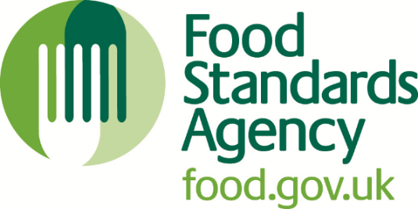 

Understanding the international provision of allergen information picture in the non-prepacked sector

Framework for literature review

March 2023

RSM UK Consulting LLP
Supported by University College Cork Consulting and Allergy UK

